Human Society Pets Adoption
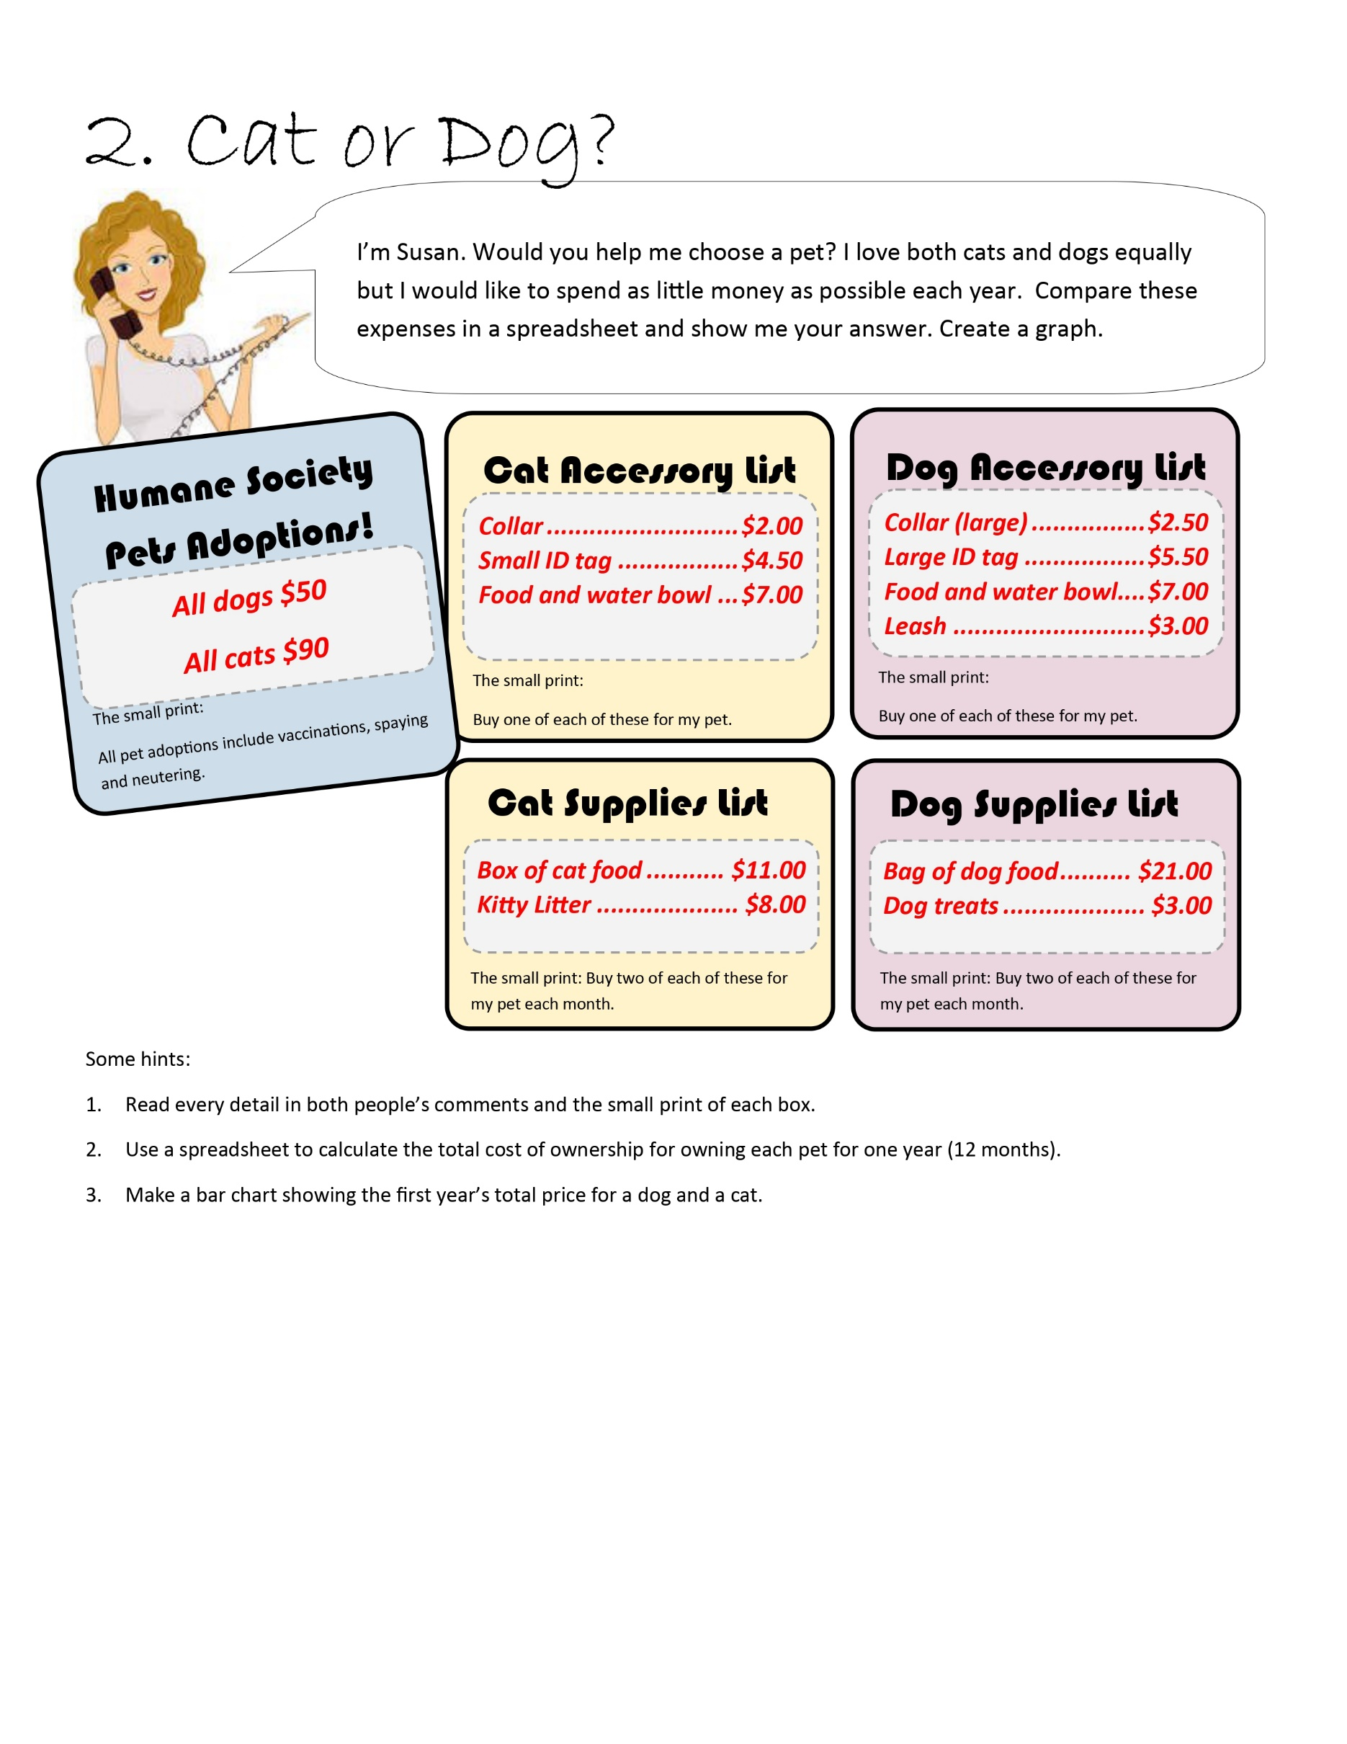
Pet Expenses
 | Cat | Dog
Initial Cost
Purchase | $90 | $50
Leash |  | $3
Food and water bowl | $7 | $7
Tag | $5 | $6
Collar | $3 | $4
Initial Total | $104 | $69

Monthly cost
Food | $11 | $21
Litter | $8 | $-
Treats | $- | $3
Monthly Total | $38 | $48
12 month total | $456 | $576

One year cost | $560 | $645

